1. Title Page
Instacart Basket Analysis

Project Name: Instacart Basket Analysis
Date: June 26, 2021
Analyst Name: Tara Perrige

Contents:
Data Citation
Population Flow
Consistency checks
Wrangling steps
Column derivations
Visualizations
Recommendations

2. Data Citation
Title page

Data Citation

"The Instacart Online Grocery Shopping Dataset 2017", Accessed from https://www.instacart.com/datasets/grocery-shopping-2017 on June 4, 2021.
"Customers Data Set", Accessed from https://s3.amazonaws.com/coach-courses-us/public/courses/data-immersion/A4/A4_Data_Assets/customers.zip on June 17, 2021.
Note: The customer data setand the "prices" column from the products data set were fabricated for this project by CareerFoundry.

3. Population Flow
Title page

Population flow

Exclusion flag
Condition: max_order < 5
Obervations to be removed: 1440295
Final total count of order_products_all: 30964564

Orders_products_combined
Orders_products_merged
Orders_products_all

Total: 32404859
Total: 32434489
Total: 32404859

4. Consistency checks
 |  |  |  | Title page
Consistency checks

Dataset | Missing values | Missing values treatment | Duplicates
orders | 206209 days_since_prior_order | Kept missing values - first-time buyers would not have a prior order, so days couldn't be counted (see below - relevant section from crosstab of order_number and days_since_prior_order) | none
products | 16 product_name | Excluded missing values | 5 full duplicates excluded
products | 2 prices were unusually high, so changed to missing values | Kept missing values
orders_products_prior | none |  | none
customers | none |  | none

days_since_prior_order | 1
0 | 0
1 | 0
2 | 0
3 | 0
4 | 0
5 | 0
6 | 0
7 | 0
8 | 0
9 | 0
10 | 0
11 | 0
12 | 0
13 | 0
14 | 0
15 | 0
16 | 0
17 | 0
18 | 0
19 | 0
20 | 0
21 | 0
22 | 0
23 | 0
24 | 0
25 | 0
26 | 0
27 | 0
28 | 0
29 | 0
30 | 0

5. Wrangling steps
 |  |  |  |  | Title page
Wrangling steps

Columns dropped | Columns renamed | Columns' type changed | Comment/Reason | Security Concerns
orders - "eval_set" | orders - "order_dow" to "orders_day_of_week" | orders - "order_id" to string | Dropped columns were unnecessary for analysis. | This data set contains personally identifiable information (PII), specifically first name and last name in combination with gender, state, age, number of dependents, family status and income. For this project, I ignored the first name and last name columns and made sure any analysis that includds gender, state, age, number of dependents, family status, or income was sufficiently general enough that it can't be traced back to any specific customers.
orders_products_combined - "_merge" | customers - "First Name" to "first_name" | orders - "user_id" to string | Columns were renamed to make sense and be consistent.
customers - "date_joined" | customers - "Surnam" to "last_name" | customers - "user_id" to string | One data type change ("first_name") was due to a mixed-type column.
orders_products_merged - "_merge" | customers - "Gender" to "gender" | customers - "first_name" to string | All other data type changes were to make possible key variables into strings.
 | customers - "STATE" to "state" | orders_products_merged - "user_id" to string
 | customers - "Age" to "age"
 | customers - "n_dependants" to "num_dependents"
 | customers - "fam_status" to "family_status"

6. Column derivations
orders_products_merged - busiest_period_of_day
orders_products_merged - spending_flag
 |  |  |  |  |  | Title page
orders_products_combined - _merge
orders_products_merged - _merge
orders_products_merged - price_range_loc
orders_products_merged - busiest_day
orders_products_merged - busiest_days
orders_products_merged - loyalty_flag
orders_products_merged - order_frequency_flag
orders_products_all - _merge
orders_products_all - region
orders_products_all - low_activity_flag
orders_products_all - cust_profile
Column derivations and aggregations
 |  |  |  | Flag | Frequency |  | Flag | Frequency | Flag | Frequency | Flag | Frequency | Flag | Frequency | Flag | Frequency | Flag | Frequency | Flag | Frequency | Flag | Frequency | Flag | Frequency | Flag | Frequency | Flag | Frequency | Flag | Frequency
 |  |  |  | both | 32434489 |  | both | 32404859 | Mid-range product | 21860860 | Regularly busy | 22416875 | Regularly busy | 12916111 | Most orders | 23205725 | Regular customer | 15876776 | Low spender | 32285259 | Frequent customer | 21559853 | both | 32404859 | South | 10791885 | Non-low-activity customer | 30964564 | NaN | 10465136
Dataset | New column | Column/s it was derived from | Conditions | left_only | 0 |  | left_only | 0 | Low-range product | 10126321 | Busiest day | 6204182 | Busiest days | 11864412 | Average orders | 8821575 | Loyal customer | 10284093 | High spender | 119600 | Regular customer | 7208564 | left_only | 0 | West | 8292913 | Low-activity customer | 1440295 | Middle-class parent | 8493301
orders_products_combined | _merge | order_id used as merge key | indicator = True | right_only | 0 |  | right_only | 0 | High-range product | 417678 | Least busy | 3783802 | Least busy days | 7624336 | Fewest orders | 377559 | New customer | 6243990 |  |  | Non-frequent customer | 3636442 | right_only | 0 | Midwest | 7597325 |  |  | Single adult | 6227792
orders_products_merged | _merge | product_id used as merge key | indicator = True |  |  |  |  |  |  |  |  |  |  |  |  |  |  |  |  |  |  |  |  |  | Northeast | 5722736 |  |  | Well-off retiree | 5741763
orders_products_merged | price_range_loc | prices | If > 15 = High-range product; If <= 15 and > 5 = Mid-range product; If <= 5 = Low-range product |  |  |  |  |  |  |  |  |  |  |  |  |  |  |  |  |  |  |  |  |  |  |  |  |  | Young parent | 18755
orders_products_merged | busiest_day | orders_day_of_week | If = 0, Busiest day; If = 4, Least busy; Else, Regularly busy |  |  |  |  |  |  |  |  |  |  |  |  |  |  |  |  |  |  |  |  |  |  |  |  |  | Bulk buyer | 17817
orders_products_merged | busiest_days | orders_day_of_week | If = 0 or 1, Busiest days; if = 4 or 3, Least busy days; Else, Regularly busy
orders_products_merged | busiest_period_of_day | order_hour_of_day | If > 8 and <= 17, Most orders; If = 0, Average orders; If > 5 and <= 8, Average orders; If > 17 and <= 23, Average orders; If > 0 and <= 5, Fewest orders
orders_products_merged | max_order | user_id and order_number | Max of order_number, grouped by user_id
orders_products_merged | loyalty_flag | max_order | If > 40, Loyal customer; If <= 40 and > 10, Regular customer; If <= 10, New customer
orders_products_merged | avg_price | user_id and prices | Mean of prices, grouped by user_id
orders_products_merged | spending_flag | avg_price | If < 10, Low spender; If >= 10, High spender
orders_products_merged | median_days_since_prior_order | user_id and days_since_prior_order | Median of days_since_prior_order, grouped by user_id
orders_products_merged | order_frequency_flag | median_days_since_prior_order | If > 20, Non-frequent customer; If <= 20 and > 10, Regular customer; If <= 10 or isnull(), Non-frequent customer
orders_products_all | _merge | user_id used as merge key | indicator = True
orders_products_all | region | state; lists created for northeast, midwest, south, and west | If in northeast list, Northeast; If in midwest list, Midwest; If in south list, South; If in west list, West
orders_products_all | low_activity_flag | max_order | If < 5, Low-activity customer; If >= 5, Non-low-activity customer
orders_products_all | cust_profile | age, num_dependents, department_id | If age >= 18 and < 35 & If num_dependents > 0 & If department_id = 18, Young parent
orders_products_all | cust_profile | family_status, num_dependents, department_id | If family status != married & If num_dependents = 0 & If department_id != 18, Single adult
orders_products_all | cust_profile | department_id | If = 10, Bulk buyer
orders_products_all | cust_profile | age, income | If age >= 65 & If income >= 100000, Well-off retiree
orders_products_all | cust_profile | age, income, num_dependents | If age > 20 & <= 50 & If income >= 40000 & < 120000 & If num_dependents != 0, Middle-class parent

7. Visualizations
Title page

Visualisations

Number of Orders by Day of the Week
Number of Orders by Hour of the Day
Histogram of Prices
Popularity of Items Purchased by Department ID
Loyalty Distribution of Customers


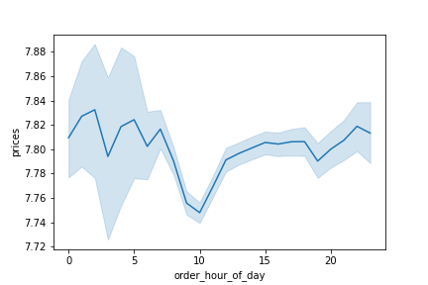
Prices of Items Purchased by Hour of the Day
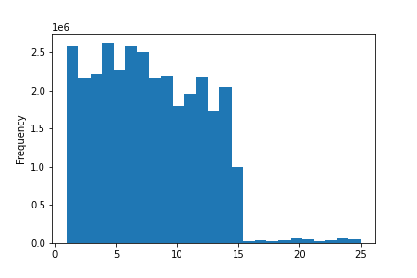
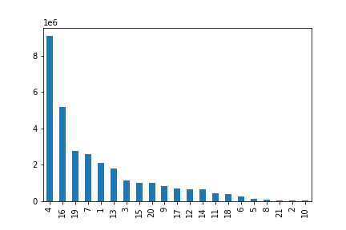
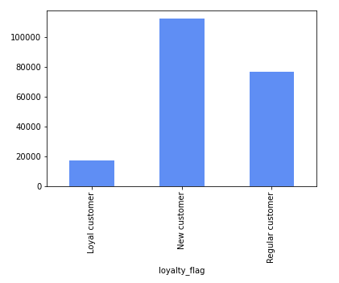
Most Orders by Young Parents per Region
Proportion of "Best Customers" by Region
Percentage of Produce Purchased by Customer Profile
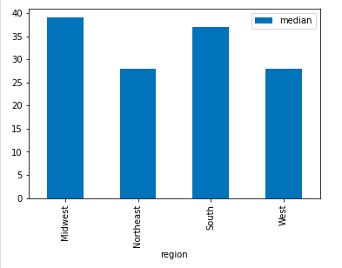
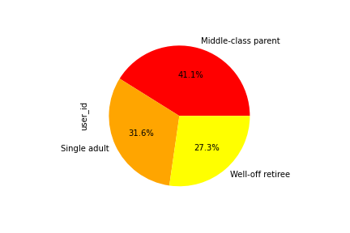
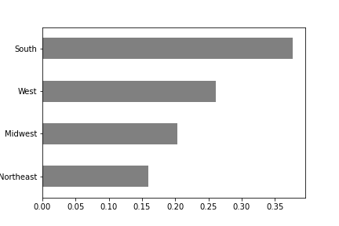

This visualization shows the number of orders by each hour of the day. It answers the question: what are the busiest hours of the day? Between 9AM and 4PM.
This visualization shows the number of orders by each day of the week, where 0 = Saturday, 1 = Sunday, 2 = Monday, 3 = Tuesday, 4 = Wednesday, 5 = Thursday, and 6 = Friday. It answers the question: what are the busiest days of the week? Saturday and Sunday.
This visualization shows the frequency of different prices. It answers the question: what are some simpler price range groupings? One can see how many items were bought at $1, $2, $3, etc., up to $25. Most items that are bought are between $1 and $14.
This visualization shows the number of items bought by department ID. It answers the question: are certain types of products more popular than others? The produce department (ID = 4) is by far the most popular, followed by the dairy/eggs department (ID = 16).
This visualization shows the prices of items purchased each hour of the day. It answers the question: are there particular times of the day when people spend the most money? It looks as though prices of items purchased between 1PM and 7AM are higher. However, between midnight and 7AM, the 95% confidence interval is so wide , it's hard to say for sure. The confidence interval is much smaller from 1PM to midnight, so it's safer to say that people tend to buy higher priced items at those hours.
This visualization shows the percentage of items from the produce department bought by three different customer profiles. It answers a question regarding types of customers and their ordering behaviors. Middle-class parents buy the most produce at 41.1%, followed by single adults (31.6%) and well-off retirees (27.3%).
This visualization shows the proportion of "best customers" by region. "Best customers" are customers who have all 3 of the following classifications: Loyal customer , Frequent customer, and High spender. It answers a question regarding types of customers and their ordering behaviors. The South region has by far the highest percentage (37.7%) of "best customers."

This visualization shows the median (middle number) of maximum orders by young parents broken down by region. It answers a question regarding types of customers and their ordering behaviors. Young parents in the Midwest and South regions tend to order more often.
This visualization shows the numbers of customers who are "loyal" (more than 40 orders), "regular" (between 10 and 40 orders), and "new" (less than 10 orders). It answers the question: what is the distribution among users in regards to their brand loyalty? Most customers are classified as "new", followed by "regular", and then "loyal".

8. Recommendations
 |  | Title page

Recommendations

Question | Answer
The sales team needs to know what the busiest days of the week and hours of the day are (i.e., the days and times with the most orders) in order to schedule ads at times when there are fewer orders. | Saturday and Sunday are the busiest days of the week, and the busiest hours of the day are from 9AM to 4PM. Therefore more ads should be scheduled after 4PM and before 9AM. (See the bar chart labeled "Number of Orders by Day of the Week" and histogram labeled "Number of Orders by Hour of the Day" in 7. Visualizations.)
The sales team also wants to know if there are particular times of the day when people spend the most money, as this might inform the type of products to advertise at these times. | People tend to buy higher priced items between 1PM and midnight. The sales team should advertise higher-priced products during these hours. (See the line chart labeled "Prices of Items Purchased by Hour of the Day" in 7. Visualizations.)
Because Instacart has a lot of products with different price tags, marketing and sales want to use simpler price range groupings to help direct their efforts. | Most items bought are priced between $1 and $14. One simpler grouping of price ranges could be: $0.01-$5.00, $5.01-$10.00, $10.01 to $14.99, and $15+. (See the histogram labeled "Histogram of Prices" in 7. Visualizations.)
The marketing and sales teams want to know which departments have the highest frequency of product orders (are certain types of products more popular than others?) | The produce department is by far the most popular, followed by the dairy/eggs department. Because these departments are already very popular, ads should focus on products from other departments. (See the bar chart labeled "Popularity of Items Purchased by Department ID" in 7. Visualizations.)
The marketing and sales teams are interested in the different types of customers in their system and how their ordering behaviors differ. What's the distribution among users in regards to their brand loyalty (i.e., how often do they return to Instacart)? | Most customers are classified as "new customers" (less than 10 orders), followed by "regular customers" (between 10 and 40 orders), and the least amount of customers are "loyal customers" (more than 40 orders). It's good that Instacart is attracting new customers, but it's important to retain those customers. Marketing and sales should focus on increasing the number of "loyal" customers, those who come back and order again and again. One way to do this could be to implement a reward such as a $5 coupon after every 40 orders. (See the bar chart labeled "Loyalty Distribution of Customers" in 7. Visualizations.)
The marketing and sales teams are interested in the different types of customers in their system and how their ordering behaviors differ. In which region(s) do young parents tend to place the most orders? | Young parents tend to place the most orders in the Midwest and South regions. This is a good demographic to target since these customers have much less time to spend at a grocery store, so they would see a greater benefit from ordering grocery delivery with Instacart. Ads should target young parents in the Northeast and West in order to increase customers and number of orders in those regions. (See the bar chart "Most Orders by Young Parents per Region" in 7. Visualizations.)
The marketing and sales teams are interested in the different types of customers in their system and how their ordering behaviors differ. Which customer profile(s) purchase the most products from the produce department (the most popular department)? | Middle-class parents buy the most produce; they account for 41.1% of products purchased from the produce department. Certain other customers might be put off by ordering produce through grocery delivery because people like to check freshness themselves. In order to increase produce purchases from other demographics, ads can be created that emphasize that Instacart's personal shoppers are taught how to pick the freshest produce at the grocery store and/or that customers can leave messages that guide their personal shopper on produce selection (for ex. "Please choose the greenest bananas on the shelf."). (See the pie chart labeled "Percentage of Produce Purchased by Customer Profile" in 7. Visualizations.)
The marketing and sales teams are interested in the different types of customers in their system and how their ordering behaviors differ. In which region(s) are the best customers located? | The South region has by far the largest percentage of best customers. Best customers are customers who have placed more than 40 orders, regularly order every 10 days or fewer, and purchase products with an average price of at least $10. I recommend digging further into the data to find out more about these customers. Instacart want more of these customers, so we should see what they have in common (besides living in the South region) in order to attract more of them. (See the horizontal bar chart labeled "Number of 'Best Customers' by Region" in 7. Visualizations.)

